Global
 | Severe food insecurity | Moderate food insecurity | Undernourishment | Prevalence of unaffordability
World | 9.8% | 26.8% | 8.1% | 32.7%
Africa | 21.1% | 57.4% | 20.1% | 66.6%
Asia | 8.6% | 21.8% | 6.5% | 28.9%
Europe | 1.9% | 7.4% | 2.5% | 8.2%
Latin America and the Caribbean | 6.7% | 24.2% | 5.1% | 25.7%
Oceania | 10.3% | 26.7% | 8.2% | 5.0%
United States of America | 1.1% | 10.7% | 2.5% | 4.5%

Global food‑insecurity indicators

US
 | Food insecurity | Very low food security
AK | 13.0% | 6.5% | use for dashboard | can start here, then drill down into region, Alabama and county, grouping, etc
AL | 12.1% | 4.6%
AR | 19.4% | 7.6%
AZ | 13.1% | 5.6%
CA | 12.5% | 4.4%
CO | 10.5% | 4.3%
CT | 12.1% | 5.7%
DC | 10.3% | 4.9%
DE | 10.8% | 4.5%
FL | 13.3% | 4.8%
GA | 14.6% | 5.9%
HI | 10.8% | 4.5%
IA | 10.8% | 3.9%
ID | 12.6% | 4.5%
IL | 13.3% | 4.8%
IN | 13.7% | 5.9%
KS | 12.5% | 4.9%
KY | 18.8% | 9.0%
LA | 17.7% | 6.8%
MA | 11.7% | 3.9%
MD | 11.5% | 4.8%
ME | 12.9% | 4.6%
MI | 14.7% | 6.3%
MN | 9.9% | 3.7%
MO | 13.3% | 5.9%
MS | 17.3% | 6.9%
MT | 11.7% | 4.2%
NC | 11.8% | 4.4%
ND | 9.0% | 4.1%
NE | 12.7% | 5.3%
NH | 9.1% | 4.4%
NJ | 9.8% | 3.5%
NM | 14.5% | 6.5%
NV | 15.0% | 6.1%
NY | 14.0% | 5.6%
OH | 14.2% | 6.2%
OK | 16.9% | 6.0%
OR | 12.5% | 5.7%
PA | 10.9% | 3.7%
RI | 10.6% | 5.1%
SC | 13.5% | 5.8%
SD | 9.5% | 3.4%
TN | 13.3% | 5.8%
TX | 17.6% | 6.6%
UT | 11.5% | 4.3%
VA | 12.4% | 5.3%
VT | 9.4% | 3.7%
WA | 11.0% | 3.9%
WI | 12.0% | 4.4%
WV | 14.1% | 4.3%
WY | 15.6% | 6.4%

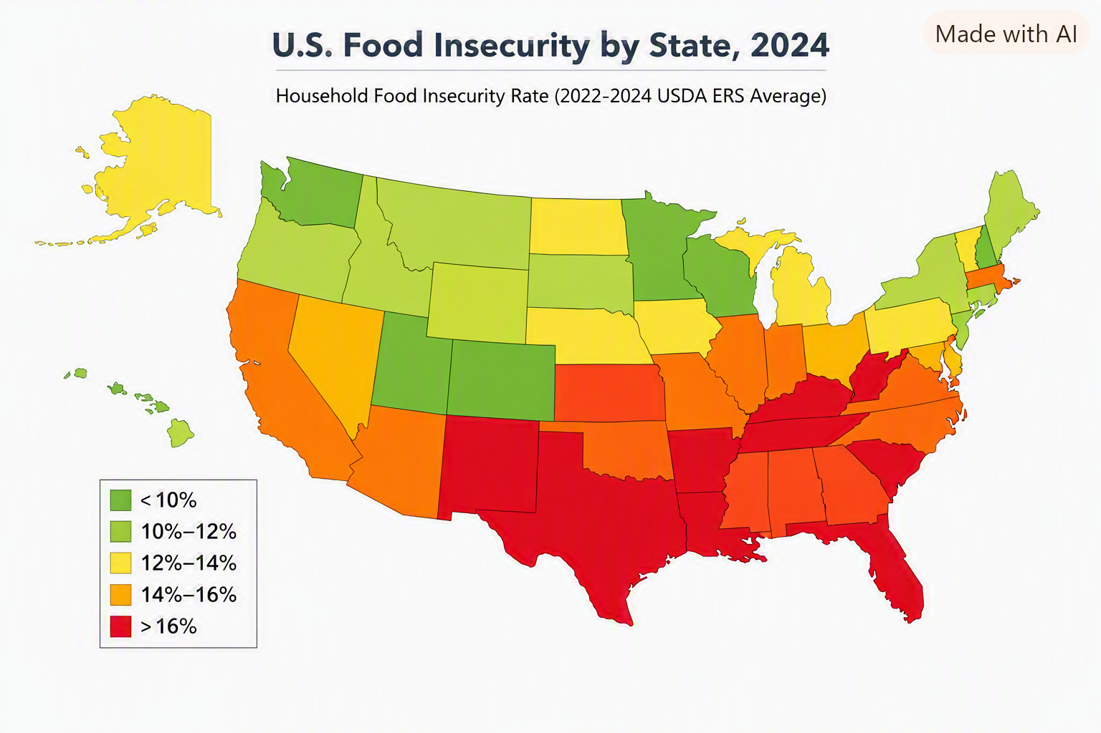
max | 19.4% | 9.0%
 | Arkansas | Kentucky
min | 9.0% | 3.4%
 | North Dakota | South Dakota

US Regions
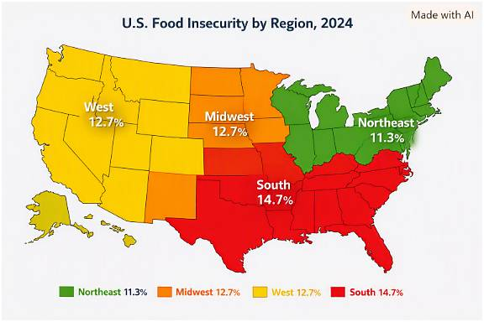
Region | States | Average food insecurity % | Notable highs
Northeast | CT, ME, MA, NH, NJ, NY, PA, RI, VT | 11.30% | NY (14.0%), ME (12.9%)
Midwest | IL, IN, IA, KS, MI, MN, MO, NE, ND, OH, SD, WI | 12.70% | MI (14.7%), OH (14.2%)
South | AL, AR, DE, DC, FL, GA, KY, LA, MD, MS, NC, OK, SC, TN, TX, VA, WV | 14.70% | AR (19.4%), KY (18.8%), TX (17.6%)
West | AK, AZ, CA, CO, HI, ID, MT, NV, NM, OR, UT, WA, WY | 12.70% | NV (15.0%), NM (14.5%), WY (15.6%)

The South has the highest average food insecurity (≈14.7%), driven by persistently high rates in Arkansas, Kentucky, Louisiana, Mississippi, and Texas.

The Northeast shows the lowest average (≈11.3%), with most states below the national 13.3% average.

The Midwest and West hover near the national mean, but the West has sharper contrasts — low in Washington and Colorado, high in Nevada and New Mexico.

Southeast
Region | States Included | Avg. Food Insecurity % | Avg. Very Low Food Security % | Margin of Error (pp)
Southeast | AL, AR, FL, GA, KY, LA, MS, NC, SC, TN | 15.80% | 6.30% | ±1.9
United States | All 50 states + DC | 13.30% | 5.20% | ±0.4

The Southeast region’s average food insecurity (15.8%) is ~2.5 percentage points higher than the national average (13.3%).

Arkansas (19.4%), Kentucky (18.8%), and Louisiana (17.7%) are the region’s highest contributors.

Alabama (12.1%) and North Carolina (11.8%) sit below the regional mean but still above the national average.

The Southeast’s very low food security rate (6.3%) indicates deeper hardship compared to the U.S. average (5.2%).
Southeast United States

State | Food Insecurity % | Very Low Food Security % | Margin of Error (pp) | Rank (High→Low) | US Average %
Arkansas | 19.4 | 7.6 | 1.67 | 1 | 13.3
Kentucky | 18.8 | 9 | 2.8 | 2 | 13.3
Louisiana | 17.7 | 6.8 | 2.29 | 3 | 13.3
Mississippi | 17.3 | 6.9 | 1.62 | 4 | 13.3
Georgia | 14.6 | 5.9 | 1.95 | 5 | 13.3
South Carolina | 13.5 | 5.8 | 1.6 | 6 | 13.3
Tennessee | 13.3 | 5.8 | 1.72 | 7 | 13.3
Florida | 13.3 | 4.8 | 1.28 | 7 | 13.3
Alabama | 12.1 | 4.6 | 2.23 | 9 | 13.3
North Carolina | 11.8 | 4.4 | 1.66 | 10 | 13.3

The Southeast’s higher rates reflect persistent structural challenges — rural access gaps, income disparities, and limited retailer proximity in several states.

Why the Southeast Outpaces the U.S. Average

The region’s 15.8% food‑insecurity rate (vs. 13.3% nationally) emerges from the interaction of:
High poverty
Rural geography
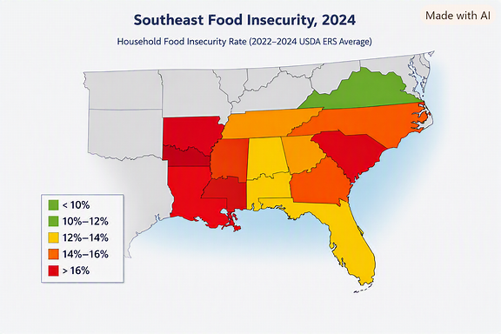
Weak retailer networks
Transportation barriers
Demographic vulnerabilities
Policy gaps

It’s not one factor—it’s the stacking of all of them.

Alabama
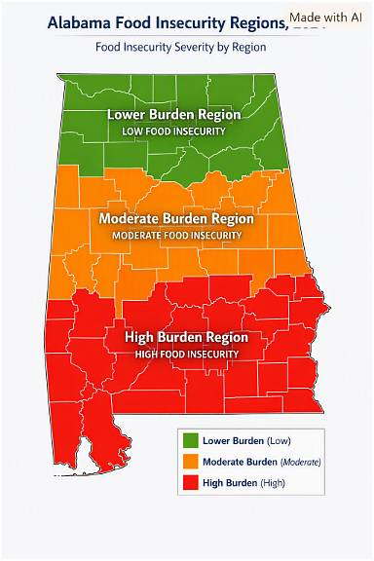
County | Population | Low Access Population | Low Income Population | LA-LI Population | Low Access % | Low Income % | LA-LI %
Jefferson County | 674,721 | 185,974 | 432,022 | 133,014 | 27.6% | 64.0% | 30.8%
Madison County | 388,153 | 120,950 | 301,347 | 106,257 | 31.2% | 77.6% | 35.3%
Shelby County | 223,024 | 80,021 | 185,749 | 68,184 | 35.9% | 83.3% | 36.7%
Baldwin County | 231,767 | 55,259 | 179,166 | 42,834 | 23.8% | 77.3% | 23.9%
Mobile County | 414,809 | 60,092 | 252,177 | 39,741 | 14.5% | 60.8% | 15.8%
Lee County | 174,241 | 48,766 | 115,043 | 37,598 | 28.0% | 66.0% | 32.7%
Tuscaloosa County | 227,036 | 45,237 | 146,945 | 36,811 | 19.9% | 64.7% | 25.1%
Montgomery County | 228,954 | 48,105 | 133,248 | 33,781 | 21.0% | 58.2% | 25.4%
Morgan County | 123,421 | 25,045 | 83,913 | 18,222 | 20.3% | 68.0% | 21.7%
Low Access & Low Access Against Total Population
Calhoun County | 116,441 | 24,288 | 66,621 | 14,618 | 20.9% | 57.2% | 21.9%
Limestone County | 103,570 | 14,838 | 81,077 | 12,769 | 14.3% | 78.3% | 15.7%
Houston County | 107,202 | 13,266 | 66,396 | 9,301 | 12.4% | 61.9% | 14.0%
Etowah County | 103,436 | 15,156 | 61,532 | 8,612 | 14.7% | 59.5% | 14.0%
Marshall County | 97,612 | 14,890 | 61,435 | 8,284 | 15.3% | 62.9% | 13.5%
Autauga County | 58,805 | 9,950 | 42,372 | 6,778 | 16.9% | 72.1% | 16.0%
Coffee County | 53,465 | 8,139 | 35,880 | 6,297 | 15.2% | 67.1% | 17.6%
Talladega County | 82,149 | 10,232 | 46,464 | 6,020 | 12.5% | 56.6% | 13.0%
Russell County | 59,183 | 10,045 | 32,203 | 5,859 | 17.0% | 54.4% | 18.2%
Elmore County | 87,977 | 7,536 | 62,693 | 5,295 | 8.6% | 71.3% | 8.4%
Lauderdale County | 93,564 | 7,365 | 64,462 | 5,268 | 7.9% | 68.9% | 8.2%
St. Clair County | 91,103 | 5,486 | 66,917 | 4,438 | 6.0% | 73.5% | 6.6%
Chilton County | 45,014 | 6,666 | 28,985 | 3,829 | 14.8% | 64.4% | 13.2%
Colbert County | 57,227 | 4,516 | 38,783 | 3,549 | 7.9% | 67.8% | 9.2%
Cullman County | 87,866 | 3,981 | 56,340 | 3,114 | 4.5% | 64.1% | 5.5%
Franklin County | 32,113 | 4,548 | 17,735 | 2,504 | 14.2% | 55.2% | 14.1%
Macon County | 19,532 | 7,772 | 8,033 | 2,498 | 39.8% | 41.1% | 31.1%
Walker County | 65,342 | 3,778 | 39,399 | 2,373 | 5.8% | 60.3% | 6.0%
Dallas County | 38,462 | 4,303 | 16,719 | 2,180 | 11.2% | 43.5% | 13.0%
Jackson County | 52,579 | 3,804 | 30,141 | 2,142 | 7.2% | 57.3% | 7.1%
Chambers County | 34,772 | 4,042 | 19,163 | 2,048 | 11.6% | 55.1% | 10.7%
Marengo County | 19,323 | 3,561 | 10,498 | 1,970 | 18.4% | 54.3% | 18.8%
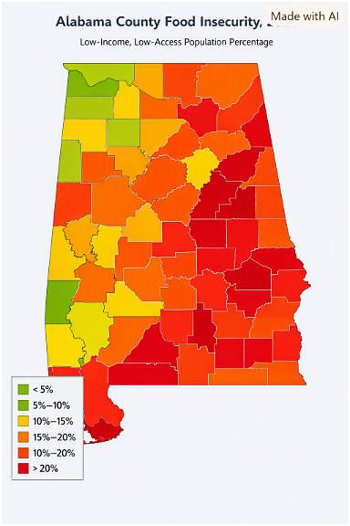
Dale County | 49,326 | 3,758 | 28,758 | 1,879 | 7.6% | 58.3% | 6.5%
Monroe County | 19,772 | 2,475 | 11,104 | 1,589 | 12.5% | 56.2% | 14.3%
Barbour County | 25,223 | 2,783 | 11,336 | 1,242 | 11.0% | 44.9% | 11.0%
Pike County | 33,009 | 2,132 | 16,705 | 1,239 | 6.5% | 50.6% | 7.4%
Tallapoosa County | 41,311 | 2,320 | 25,073 | 1,222 | 5.6% | 60.7% | 4.9%
Escambia County | 36,757 | 2,046 | 18,421 | 1,106 | 5.6% | 50.1% | 6.0%
Clarke County | 23,087 | 1,523 | 13,522 | 937 | 6.6% | 58.6% | 6.9%
Wilcox County | 10,600 | 1,797 | 4,902 | 860 | 17.0% | 46.2% | 17.5%
Washington County | 15,388 | 1,563 | 9,641 | 839 | 10.2% | 62.7% | 8.7%
Conecuh County | 11,597 | 1,435 | 5,377 | 700 | 12.4% | 46.4% | 13.0%
Sumter County | 12,345 | 1,780 | 4,358 | 688 | 14.4% | 35.3% | 15.8%
Covington County | 37,570 | 1,282 | 20,965 | 631 | 3.4% | 55.8% | 3.0%
Butler County | 19,051 | 1,199 | 10,225 | 621 | 6.3% | 53.7% | 6.1%
Choctaw County | 12,665 | 1,136 | 7,128 | 610 | 9.0% | 56.3% | 8.6%
Hale County | 14,785 | 1,091 | 8,375 | 607 | 7.4% | 56.6% | 7.2%
Pickens County | 19,123 | 1,112 | 9,448 | 593 | 5.8% | 49.4% | 6.3%
Perry County | 8,511 | 1,058 | 2,711 | 454 | 12.4% | 31.9% | 16.7%
Coosa County | 10,387 | 657 | 5,876 | 449 | 6.3% | 56.6% | 7.6%
Winston County | 23,540 | 648 | 13,166 | 399 | 2.8% | 55.9% | 3.0%
Crenshaw County | 13,194 | 608 | 7,691 | 344 | 4.6% | 58.3% | 4.5%
Bullock County | 10,357 | 712 | 2,944 | 311 | 6.9% | 28.4% | 10.6%
Marion County | 29,341 | 514 | 17,282 | 294 | 1.8% | 58.9% | 1.7%
Bibb County | 22,293 | 567 | 11,509 | 277 | 2.5% | 51.6% | 2.4%
Henry County | 17,146 | 416 | 10,791 | 264 | 2.4% | 62.9% | 2.4%
Clay County | 14,236 | 394 | 8,204 | 242 | 2.8% | 57.6% | 2.9%
Cherokee County | 24,971 | 334 | 15,209 | 230 | 1.3% | 60.9% | 1.5%
Fayette County | 16,321 | 366 | 9,449 | 228 | 2.2% | 57.9% | 2.4%
Greene County | 7,730 | 633 | 2,676 | 226 | 8.2% | 34.6% | 8.4%
Lowndes County | 10,311 | 532 | 4,372 | 192 | 5.2% | 42.4% | 4.4%
Lawrence County | 33,073 | 189 | 21,355 | 139 | 0.6% | 64.6% | 0.7%
Blount County | 59,134 | 178 | 39,816 | 115 | 0.3% | 67.3% | 0.3%
DeKalb County | 71,608 | 229 | 37,066 | 109 | 0.3% | 51.8% | 0.3%
Lamar County | 13,972 | 134 | 7,551 | 74 | 1.0% | 54.0% | 1.0%
Cleburne County | 15,056 | 84 | 9,594 | 52 | 0.6% | 63.7% | 0.5%
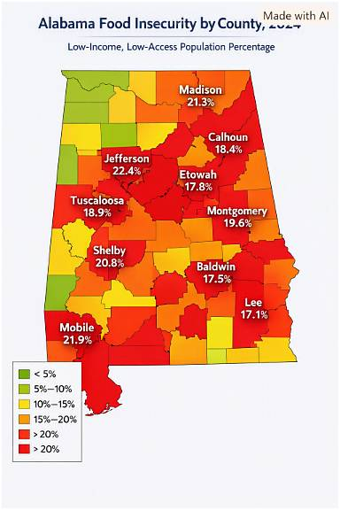
Geneva County | 26,659 | 68 | 14,814 | 32 | 0.3% | 55.6% | 0.2%
Randolph County | 21,967 | 59 | 13,031 | 31 | 0.3% | 59.3% | 0.2%

 | Rank | County | Low‑Income Low‑Access % | Key Drivers
 | 1 | Jefferson | 22.4 % | Dense urban poverty, retailer clustering
 | 2 | Mobile | 21.9 % | Coastal access gaps, high transport costs
 | 3 | Madison | 21.3 % | Rapid growth, uneven retailer spread
 | 4 | Shelby | 20.8 % | Suburban sprawl, limited SNAP stores
 | 5 | Montgomery | 19.6 % | Urban‑rural divide, high poverty pockets
 | 6 | Tuscaloosa | 18.9 % | Student‑driven demand, low‑income tracts
 | 7 | Calhoun | 18.4 % | Industrial decline, limited fresh‑food outlets
 | 8 | Etowah | 17.8 % | Aging population, low vehicle ownership
 | 9 | Baldwin | 17.5 % | Tourism economy, seasonal employment
 | 10 | Lee | 17.1 % | Rapid population growth, uneven retailer access

Alabama Regions
1. The Black Belt (Dallas, Wilcox, Perry, Sumter, Lowndes, Greene, Marengo)
Highest vulnerability in the state. | Region | Representative Counties | Color | Food‑Insecurity Severity
 | The Black Belt | Dallas, Wilcox, Perry, Sumter, Lowndes, Greene, Marengo | Deep red | Highest — persistent poverty, limited retailer access
Drivers: | Rural North Alabama | Jackson, Marshall, DeKalb, Cherokee | Yellow‑orange | Moderate — rural isolation, transportation barriers
Very high poverty | Urban Centers | Birmingham, Montgomery, Mobile, Huntsville | Orange‑red | High — concentrated poverty, urban food deserts
Limited grocery access | The Wiregrass | Dothan, Enterprise, Ozark | Light orange | Moderate‑Low — mixed rural‑urban economy, seasonal employment
High diet concentration (low diversity)
High price sensitivity
Low local fruit/veg production | The Black Belt remains the most food‑insecure region, with rates often exceeding 20 %.
High reliance on imported nutritious foods | Urban Centers show high insecurity despite proximity to retailers, driven by income inequality.
This region is the strongest example of nutrient insecurity, not caloric insecurity. | Rural North and Wiregrass regions face moderate challenges tied to distance and economic structure.

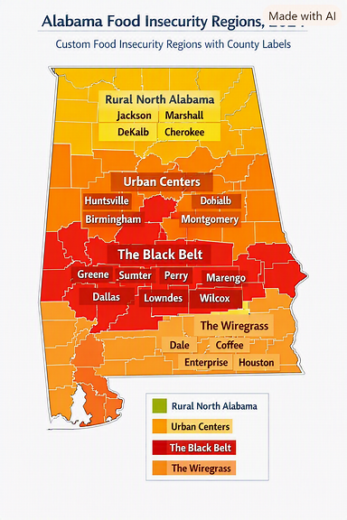
2. Rural North Alabama (Jackson, Marshall, DeKalb, Cherokee)
Drivers:
Better agricultural production
But limited retail access
High transportation barriers
High reliance on out‑of‑state produce
Climate exposure (flooding, storms)
Risk type: access + climate vulnerability.

3. Urban Centers (Birmingham, Montgomery, Mobile, Huntsville)
Mixed vulnerability.
Birmingham & Montgomery
High food insecurity pockets
High price sensitivity
Strong food desert presence
High dependence on imported produce

Mobile
High seafood import dependency
Climate risk (hurricanes)
High retail access but low affordability

Huntsville
Lowest vulnerability in the state
High retail access
Higher incomes
Better diet diversity
Risk type: affordability + neighborhood-level access gaps.

4. The Wiregrass (Dothan, Enterprise, Ozark)
Drivers:
Strong peanut & poultry production
Low fruit/veg production
High reliance on imported produce
Moderate food insecurity | Region | Representative Counties | Avg Low‑Income Low‑Access %
Risk type: nutrient diversity + import dependency. | The Black Belt | Dallas, Wilcox, Perry, Sumter, Lowndes, Greene, Marengo | 21.8 %
 | Urban Centers | Birmingham (Jefferson), Montgomery, Mobile, Huntsville (Madison) | 19.0 %
 | Rural North Alabama | Jackson, Marshall, DeKalb, Cherokee | 13.6 %
 | The Wiregrass | Dothan (Houston), Enterprise (Coffee), Ozark (Dale) | 11.2 %

 | The Black Belt remains the most food‑insecure region, with entrenched poverty and limited retailer access.

 | Urban Centers show high rates despite proximity to stores — driven by income inequality and transportation barriers.

 | Rural North faces moderate insecurity due to isolation and fewer full‑service grocers.

 | Wiregrass counties fare better overall but still experience seasonal employment‑related access issues.

